1. Title Page
[Instacart Grocery Basket Analysis]

Project Name: Instacart Grocery Basket Analysis
Date: 10/05/2023
Analyst Name: Sophie Strauß

Contents:
Population Flow
Consistency checks
Wrangling steps
Column derivations
Visualizations
Recommendations

Citation: “The Instacart Online Grocery Shopping Dataset 2017”, Accessed from www.instacart.com/datasets/grocery-shopping-2017 via Kaggle on 01.09.2023.
Note that the customer data, as well as the “prices” column in the products data set, were both fabricated by CareerFoundry for learning purposese.

2. Population Flow
Title page

Population flow

Exclusion flag
Condition: max_order =< 5
Obervations to be removed: 1440295
Final total count of order_products_all: 30964564

Orders_products_combined
Orders_products_merged
Orders_products_all

Total: 32404859
Total: 32434489
Total: 32404859

1.) The grey boxes in the first row of the population flow represent the original data sets as they were when you downloaded them. In the Total fields you need to add the count of the rows when you imported the data set into Jupyter.
2.) The second row of boxes (coloured) represents the data sets after you manipulated them, e.g., removed missing values and duplicates. In the Total fields you need to add the count of the rows after conducting these operations. This offers a visual oveview of how the data flows throughout the data consistency checks.
3.) The third row, where also the arrows are coloured, represents the merges you performed between the datasets. In the Total fields you need to add the count of the rows in the merged datasets, so that you end up with the final dataset (in the red box). Keep in mind the final dataset should be without exclusions (based on the exclusion flag).

3. Consistency checks
 |  |  |  |  | Title page
Consistency checks

Dataset | Missing values | Missing values treatment | Duplicates | Outliers
orders | days_since_prior_order N= 206209 | no true missings, new flag variable "new_customerr" True/False/ checked via crosstab | None | /
products | product_name N= 16 | Column with missings is type string --> create subset dataframe w/o missings | 5, create dataframe w/o | /
orders_products_prior | / | / | None | /
customers | / | / | None | /
ords_prods_merge | / | / | None | Mark suspicious outliers (pirces >100) as NaNs

4. Wrangling steps
 |  |  |  | Title page
Wrangling steps

Columns dropped | Columns renamed | Columns' type changed | Comment/Reason
eval_set from orders.csv |  |  | uninformative, technical variable
 | 'order_dow' : 'orders_day_of_week' |  | more readable and intuitive
 |  | df_ords['order_id'] = df_ords['order_id'].astype('str') | key var is string var, exclude from descriptive analyses
 |  | df_ords['user_id'] = df_ords['user_id'].astype('str') | key var is string var, exclude from descriptive analyses
Unnamed: 0 from orders.csv |  |  | no information, index
 |  | order_id to object (str) user_id to object (str) order_number to object (str) | key var is string var, exclude from descriptive analyses
first_name |  |  | PII concerns
last_name |  |  | PII concerns
 | Gender to gender |  | PEP 8 – Style Guide for Python Code
 | STATE to state |  | PEP 8 – Style Guide for Python Code
 | Age to age |  | PEP 8 – Style Guide for Python Code

5. Column derivations
 |  |  |  | Title page

Column derivations and aggregations

In this tab you should add tables below that the frequences of flags/label variables that you produced after deriving them. NB: don't do this for continuous variables, only for flags.
Dataset | New column | Column/s it was derived from | Conditions
orders_wrangled | new_customer | "missings" on var 'days_since_prior_order', indicating no previous orders
orders_products_merged.pkl | price_range_loc | prices | Low-range product: =<5 Mid-range product: > 5 - =< 15 High-range product: >15
orders_products_merged.pkl | busiest_day | orders_day_of_week | orders_day_of_week = 0: "Busiest day" orders_day_of_week == 4: "Least busy" else: "Regularly busy"
orders_products_merged.pkl | busiest_days | orders_day_of_week | orders_day_of_week = 0 or 1: "Busiest days" orders_day_of_week == 4 or 3: "Slowest days" else: "Regularly busy"
orders_products_merged.pkl | busiest_hours | order_hour_of_day | "order_hour_of_day" == 10 or == 11 or == 14 or == 15): "Most orders" "order_hour_of_day == 5 or == 2 or == 4 or == 3: "Fewest orders" else: "Average orders"
ords_prods_merged_newvar.pkl | loyalty_flag | max_order | max_order' > 40 = 'Loyal customer' 'max_order' <= 40 & > 10 = 'Regular customer' 'max_order' <= 10 = 'New customer'
ords_prods_merged_newvar.pkl | spending flag | average_spend as mean of prices group by user_id | average_spend' < 10 = 'Low spender' 'average_spend' >= 10 = 'High spender'
ords_prods_merged_newvar.pkl | order regularity flag | order regularity as median of days_since_prior_order grouped by user_id | order_regularity‘ > 20 = 'Non-frequent customer' 'order_regularity' > 10) & <= 20 = 'Regular customer' 'order_regularity' <= 10 = 'Frequent customer'
df_merge_instacard_cust.pkl | region | state | state in ('Maine', 'New Hampshire', 'Vermont', 'Massachusetts', 'Rhode Island', 'Connecticut', 'New York', 'Pennsylvania', 'New Jersey'): "Region 1 (Northeast)") state in ('Wisconsin', 'Michigan', 'Illinois', 'Indiana', 'Ohio', 'North Dakota', 'South Dakota', 'Nebraska', 'Kansas', 'Minnesota', 'Iowa', 'Missouri'): "Region 2 (Midwest)" state in ('Delaware', 'Maryland', 'District of Columbia', 'Virginia', 'West Virginia', 'North Carolina', 'South Carolina', 'Georgia', 'Florida', 'Kentucky', 'Tennessee', 'Mississippi', 'Alabama', 'Oklahoma', 'Texas', 'Arkansas', 'Louisiana'): "Region 3 (South)" state in ('Idaho', 'Montana', 'Wyoming', 'Nevada', 'Utah', 'Colorado', 'Arizona', 'New Mexico', 'Alaska', 'Washington', 'Oregon', 'California', 'Hawaii'): "Region 4 (West)"
df_merge_instacard_cust.pkl | activity flag | max_order | max_order < 5 = 'low_activity customer' max_order >= 5 = 'high_activity customer'
instacard (orders_products_all) | profile_age | age | < 35 = 'Young Adult'; >= 35) & ( <= 60) = 'Middle-Aged Adult'; > 60 = 'Old Adult'
instacard (orders_products_all) | profile_inc | income | < 48500 = 'Low Income'; >= 48500 & < 145500 = 'Moderate Income'; >= 145500 = 'High Income'
instacard (orders_products_all) | profile_age_inc | age & income | age' < 35) &'income' < 48500) = 'Young Adult (Low Income)' 'age' < 35) & 'income' >= 145500) = 'Young Adult (High Income)' 'age' >= 35) & 'age' <= 60) & 'income' >= 48500) & 'income' < 145500) = 'Middle-Aged (Moderate Income)' 'age' > 60) & 'income' >= 48500 & 'income'] < 145500) = 'Senior Citizen (Moderate Income)'
instacard (orders_products_all) | profile_dep | n_dependants | n_dependants' == 0, 'profile_dep'] = 'Single Household' 'n_dependants' >=1) & ['n_dependants'] < 3) = 'Small Family' 'n_dependants' >= 3 = 'Large Family'
instacard (orders_products_all) | profile_life | department_id | department_id' == 8 = 'Pet Owner' 'department_id' == 18 = 'Young Parents' 'department_id' == 12, 'profile_life'] = 'Carnivor' 'department_id'.isin([1, 15, 13, 9]) = 'Prepper' 'department_id' == 20 = 'Foodie' 'department_id'.isin([5, 19]) = 'Party Person' 'department_id'.isin([14, 16]) = 'Breakfast Person'
instacard (orders_products_all) | profile_day | orders_day_of_week | orders_day_of_week'[0, 1] = 'Weekend Shopper' 'orders_day_of_week'[5, 6]= 'End of Week' 'orders_day_of_week'[2, 3] = 'Beginning of Week'
instacard (orders_products_all) | order_hour_of_day | order_hour_of_day | order_hour_of_day' >= 5) & < 10) = 'Early Bird' 'order_hour_of_day' >= 23) | < 5) = 'Night Owl'

6. Visualizations
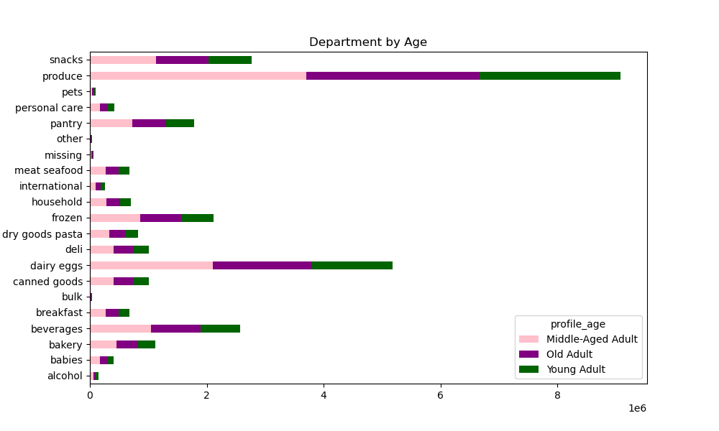
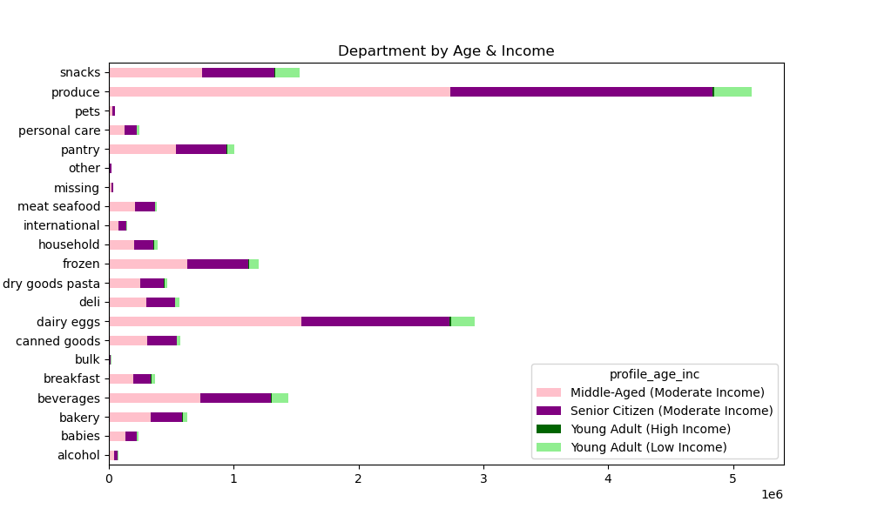
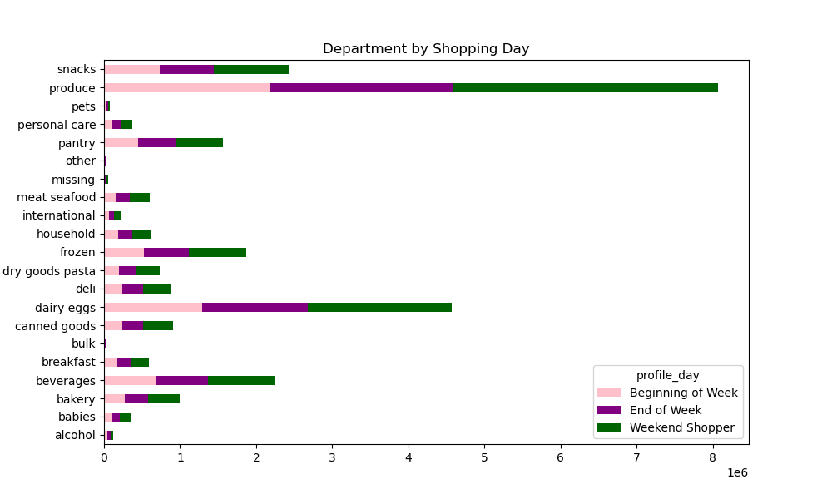
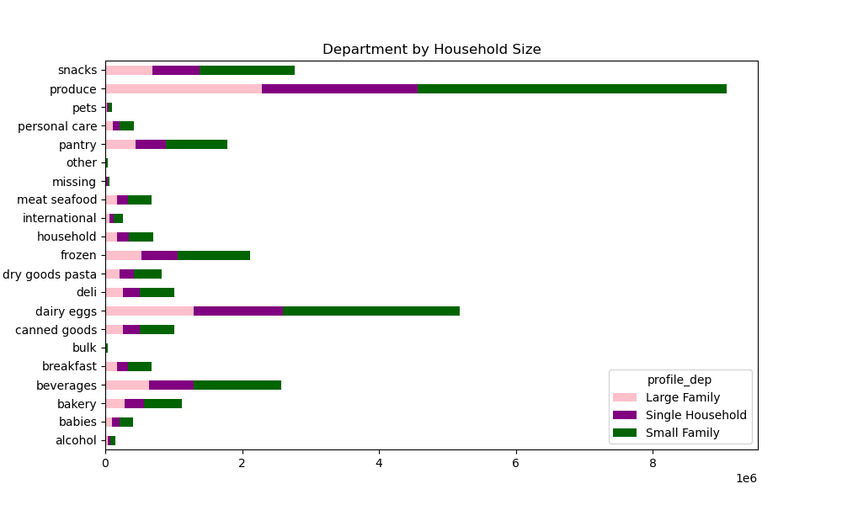
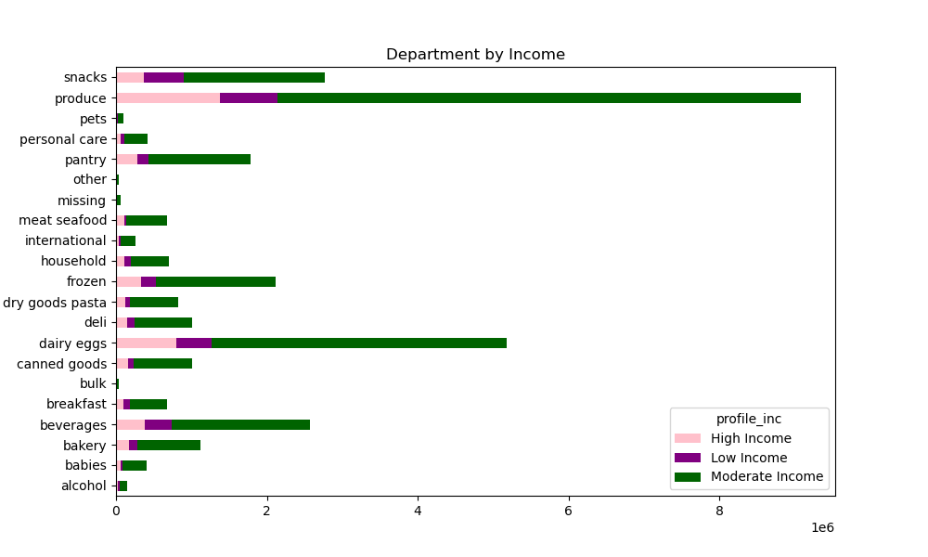
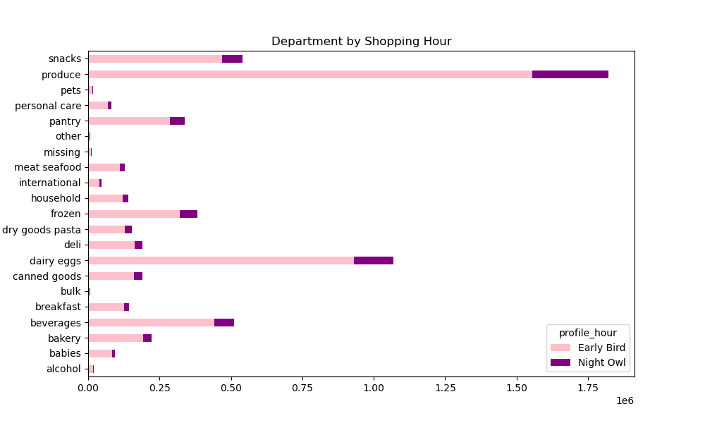
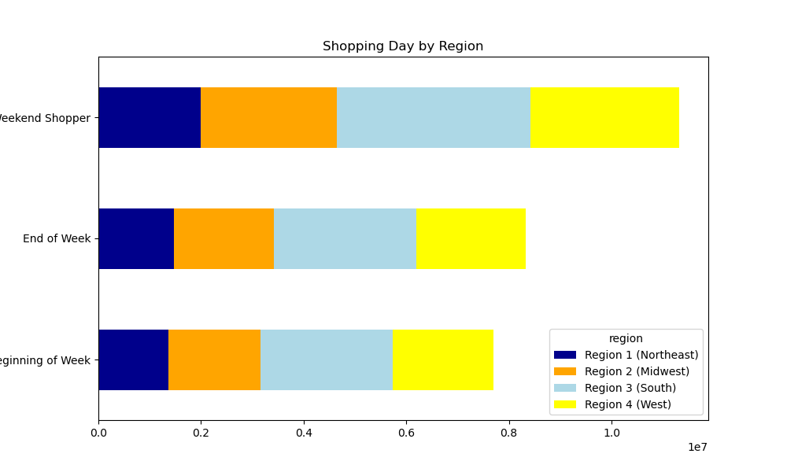
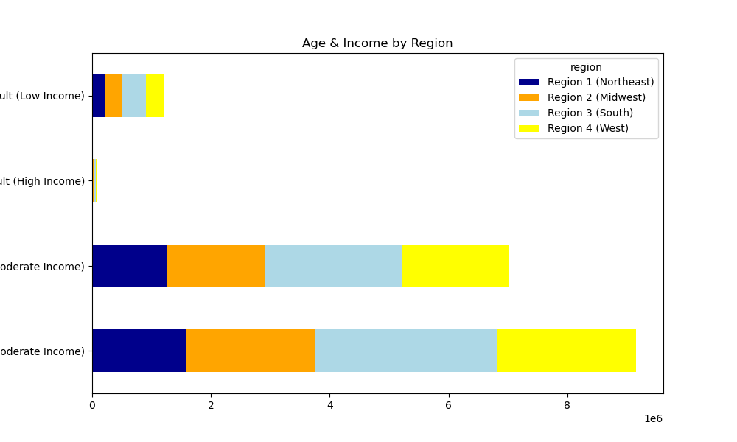
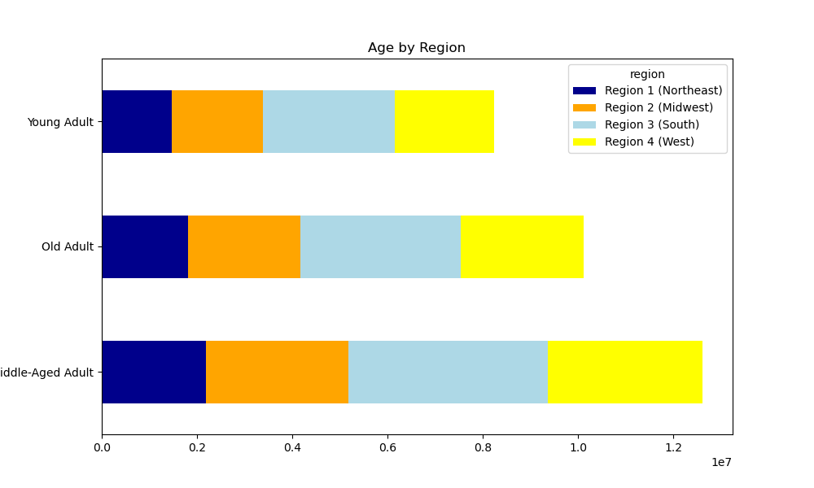
 |  |  |  | Title page

Visualisations

In this tab you should include all the visualtions from Exercises 4.9 and 4.10, alongside the questions from the project brief that they answer. Include any commentary on the relationship between different variables.

Visualization 1: Bar chart from "orders_day_of_week"
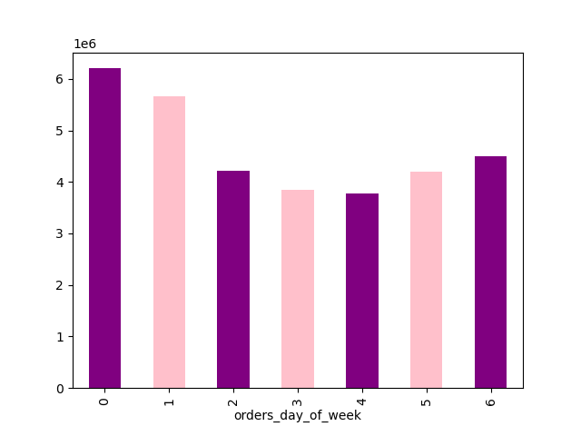

 | Key Question 1:
 | The sales team needs to know what the busiest days of the week and hours of the day are (i.e., the days and times with the most orders) in order to schedule ads at times when there are fewer orders.

 | This visualisation shows how the amount of orders in the data set are distributed among the weekdays.
 | Saturday is the busiest day, followed by Friday. Tuesday and Wednesday are the slowest days.

Visualization 2: Histogram from "prices"
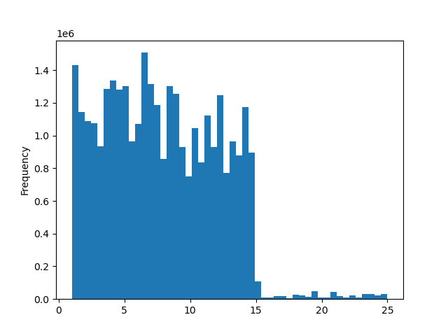

 | Key Question 3:
 | Instacart has a lot of products with different price tags. Marketing and sales want to use simpler price range groupings to help direct their efforts.

 | This visualization shows the densitiy of prices.
 | It shows that densitiy is highest amng the range between 1 and 15, and the densitiy are substantially lower above 15. The teams could introduce a two-split prince rating.

Visualization 3: Scatterplot from prices to check for outliers.
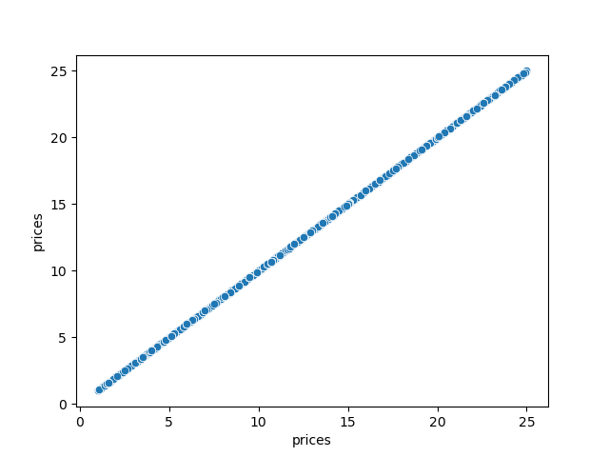

 | No suspicious outliers.

Visualization 4: Line chart oders_days_of_week and prices
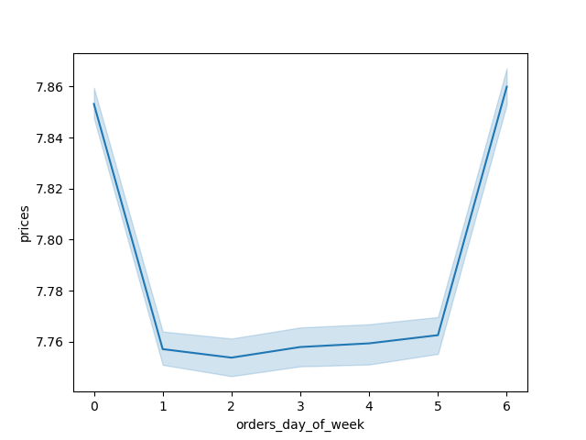

 | Key Question 1:
 | The sales team needs to know what the busiest days of the week and hours of the day are (i.e., the days and times with the most orders) in order to schedule ads at times when there are fewer orders.

 | On the busiest days Friday and Saturday, people also spend most money.

Visualization 5: Histogram from the order_hour_of_day column


 | Key Ouestion 2:
 | They also want to know whether there are particular times of the day when people spend the most money, as this might inform the type of products they advertise at these times.

 | The histogram shows the densitiy of the orders per hour of the day. Most purchases are made between 9 AM and 5 PM. Hence, most money is spend at the middle of the day.

Visualization 6: Bar chart from the "loyalty flag" column
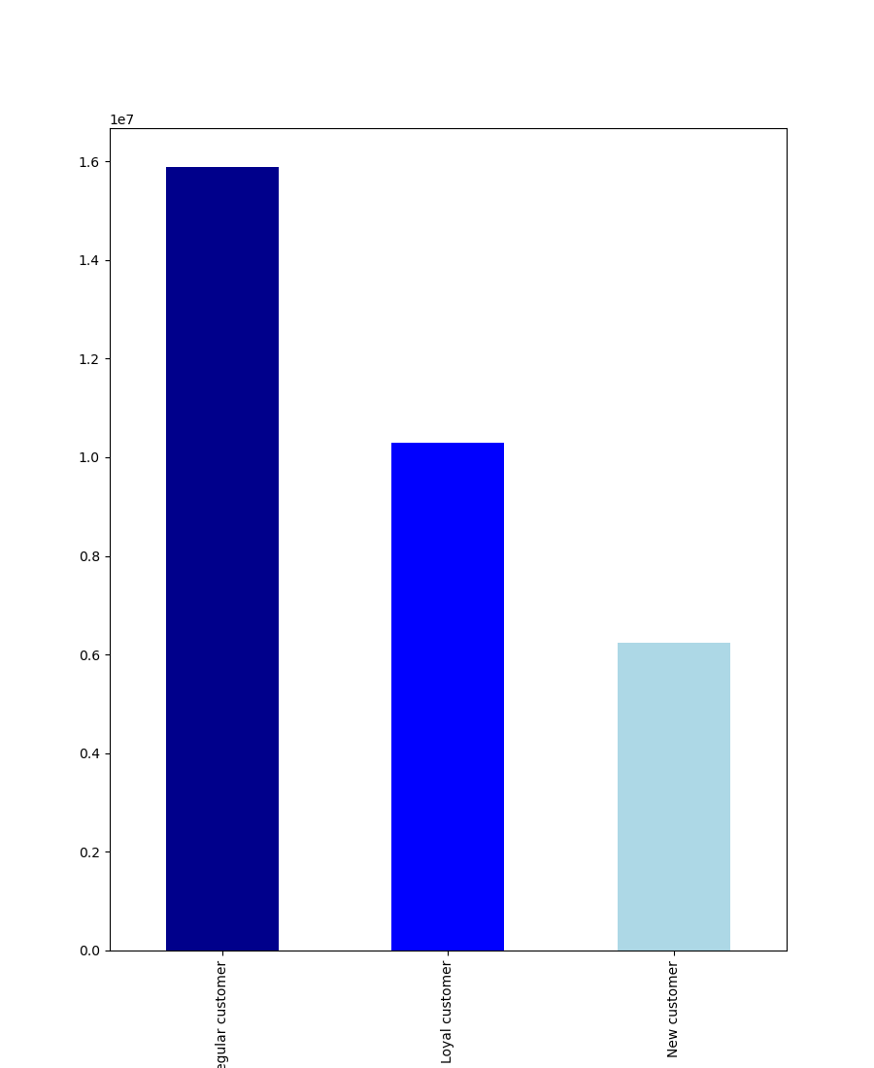

 | Key Question6: What’s the distribution among users in regards to their brand loyalty (i.e., how often do they return to Instacart)?

 | The bar chart shows the distribution of customer's loyalty separated into 3 groups: new customers, loyal customers, regular customers. Most customers are regular customers.

Visualization 7: Line chart from order_hours_of_the_day and prices colmn


 | Key Ouestion 2:
 | They also want to know whether there are particular times of the day when people spend the most money, as this might inform the type of products they advertise at these times.

 | People buy more expensive goods at irregular shopping times, particulalrly at night and early morning between around 4 AM to 7 AM, speaking for impulsive expenditures at night.

Visualization 8: Line chart from number of dependants and age.
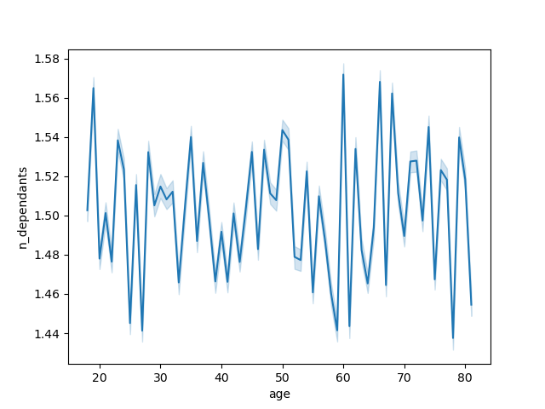

 | Key Question 5: The marketing and sales teams are particularly interested in the different types of customers in their system and how their ordering behaviors differ. For example:
 | What different classifications does the demographic information suggest?
 | Age? Income? Certain types of goods? Family status?

 | There seems to be not clear trend regarding age and family situation. Between 20 and 30 and at very high ages, people seem to have less dependants (more single households). Generelly speaking, the number of dependants does not differ that much between ages

Visualization 9: Scatterplot from income and age


 | Key Question 5: The marketing and sales teams are particularly interested in the different types of customers in their system and how their ordering behaviors differ. For example:
 | What different classifications does the demographic information suggest?
 | Age? Income? Certain types of goods? Family status?

 | There is no clear trend, but from 40 years of age onwards, there are substantially more people with very high incomes up to 600k. Below, the max is around 400k.

Visualization 10: Bar chart showing spendiing habits split into two groups per region.
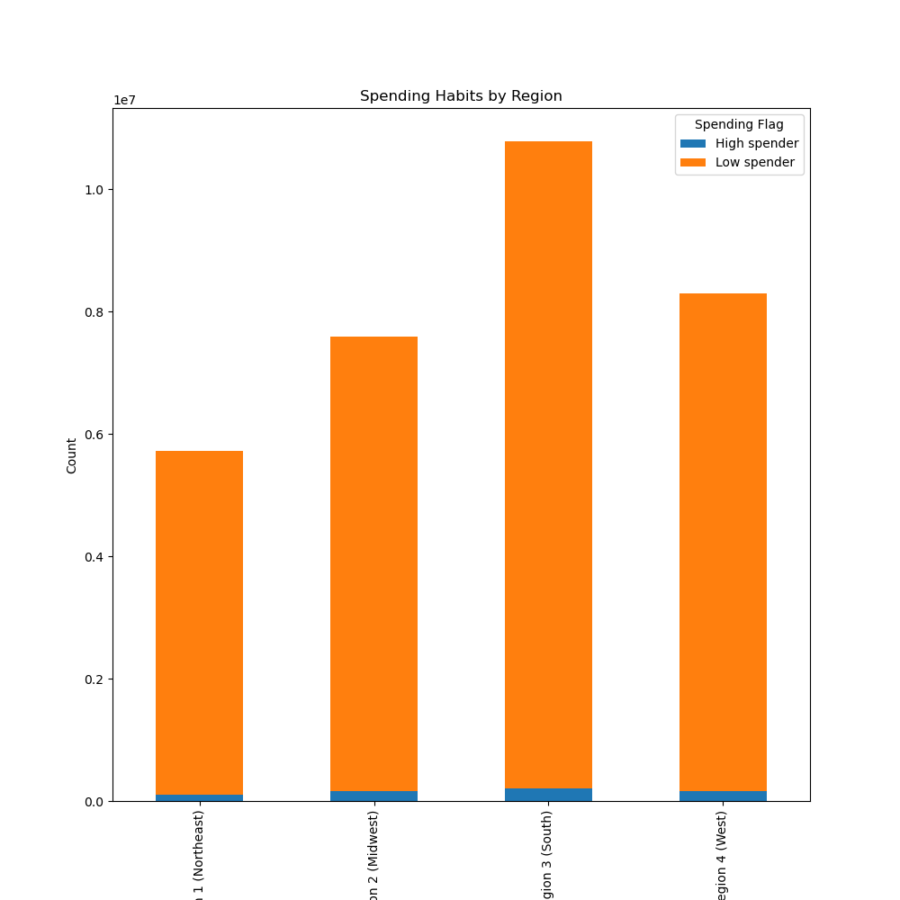

 |  |  | Key Question 5: The marketing and sales teams are particularly interested in the different types of customers in their system and how their ordering behaviors differ. For example:
 |  |  | Are there differences in ordering habits based on a customer’s region?

 |  |  | The differences between high spenders per region are marginal. In general, the south has most spenders.

Visualization 11: Bar chart from departmens
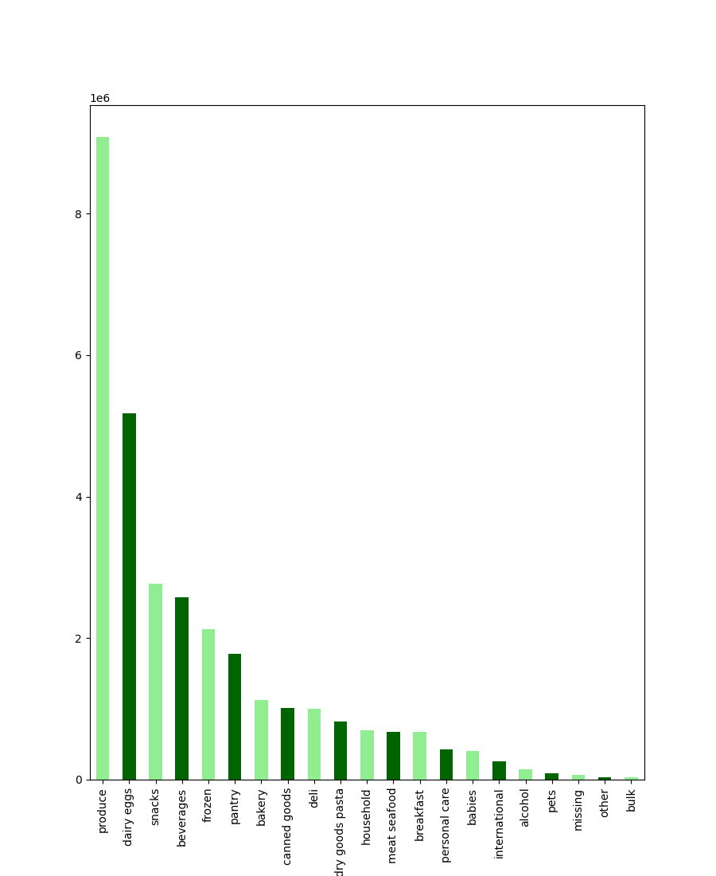

 |  | Key Question 4: Are there certain types of products that are more popular than others? The marketing and sales teams want to know which departments have the highest frequency of product orders.

 |  | Products from produce, dairy eggs, snacks, and beverages are the 4 most popular products.

The marketing and sales teams are particularly interested in the different types of customers in their system and how their ordering behaviors differ. For example: ○ Are there differences in ordering habits based on a customer’s region? ○ Is there a connection between age and family status in terms of ordering habits? ○ What differences can you find in ordering habits of different customer profiles? Consider the price of orders, the frequency of orders, the products customers are ordering, and anything else you can think of.

The following visualization show relations between different variables and region

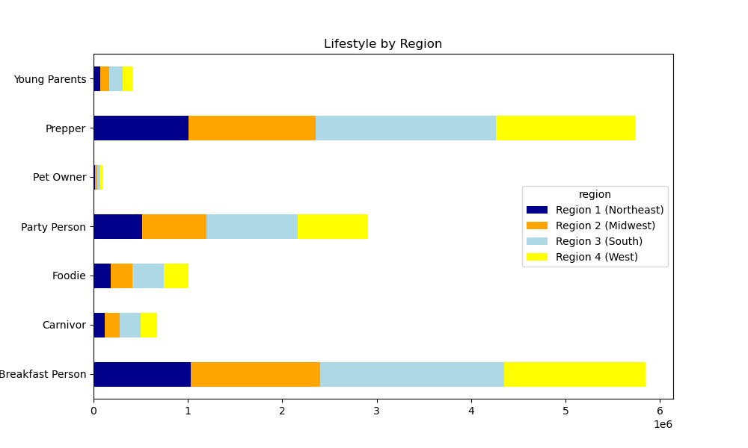
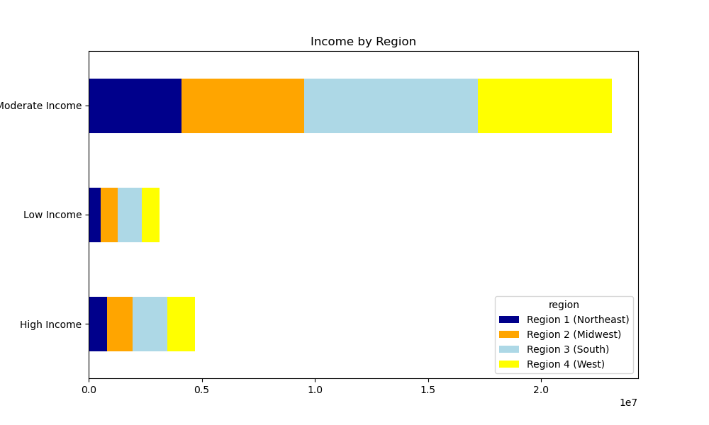

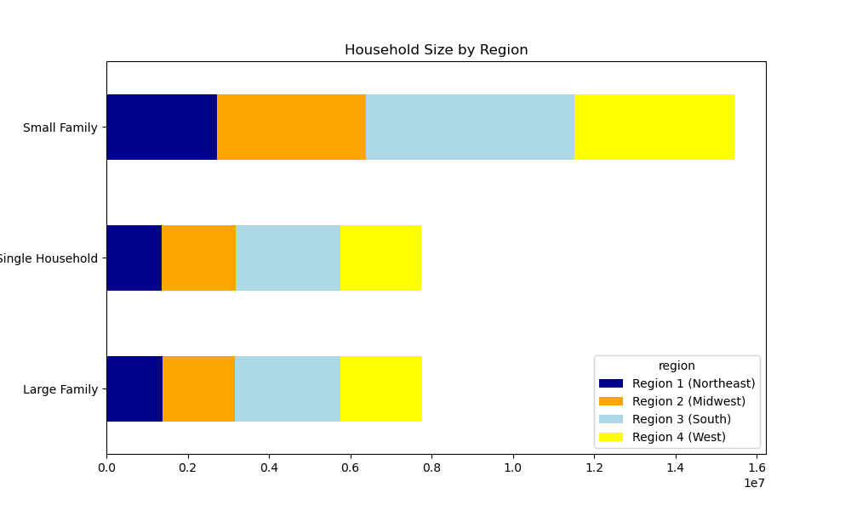

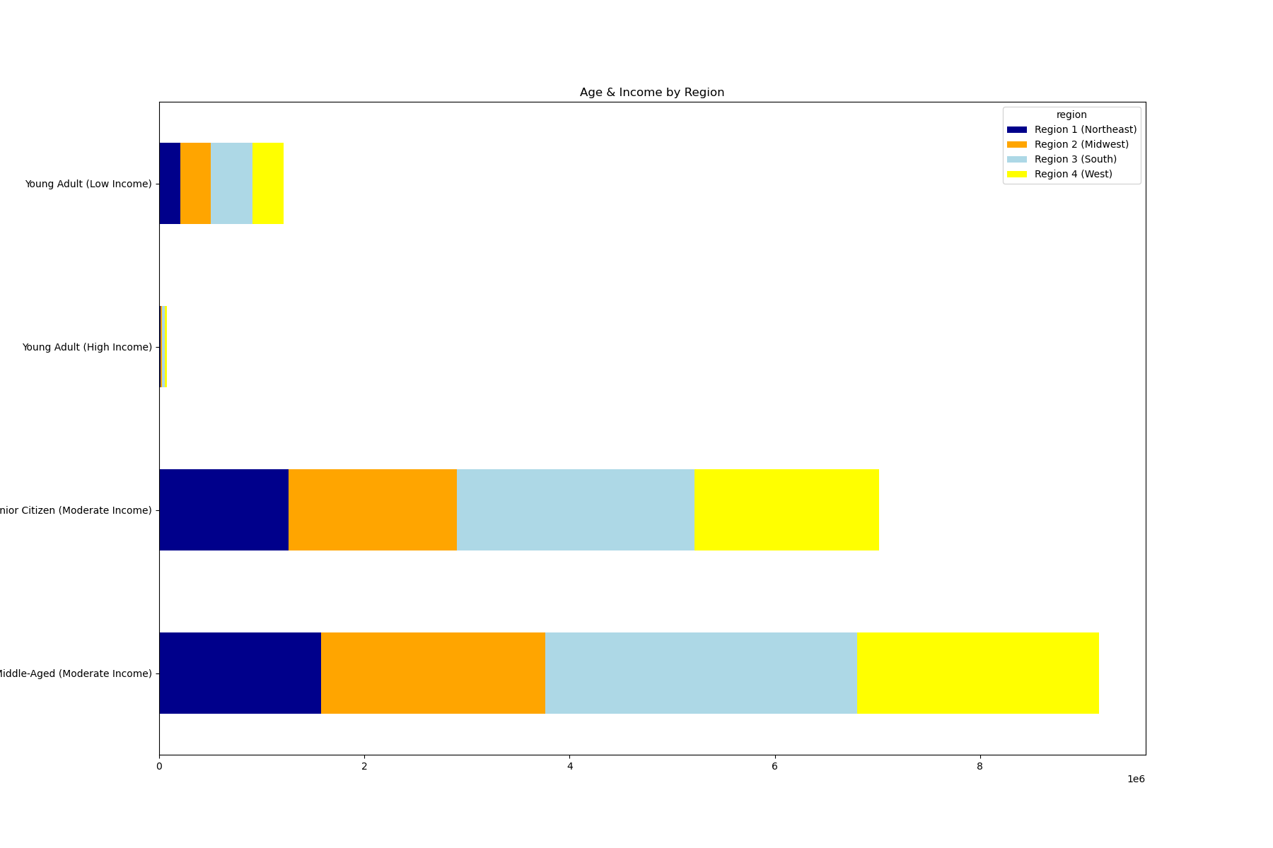

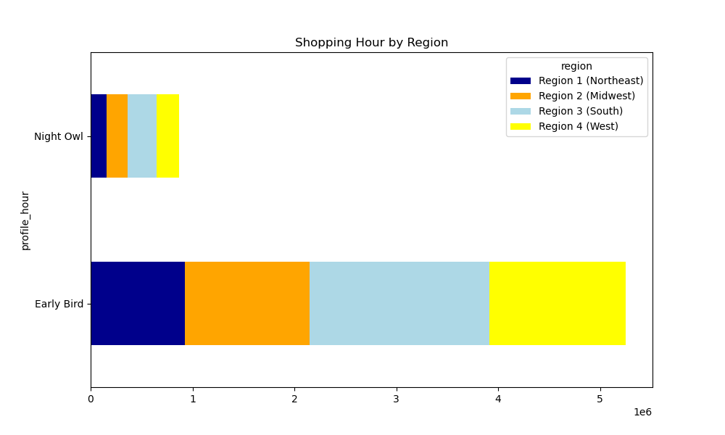

Visualizations showing different relations between different variables and departments (products)

7. Recommendations
 |  |  |  |  |  | Title page

Recommendations

In this tab you should include any recommendations you would made to Instcart in terms of their marketing strategy based on the questions posed in the brief. Every key question has been covered in the Tasks of the Exercises - here you need to add an item - a visualisation or table/crosstable that is showing the answer in the data, acompanied by a comment from you. Please, list the questions below and add the answer underneath.

Question |  | Answer
Key Question 1
Key Question 2
Key Question 3
Key Question 4
Key Question 5
Key Question 6
Key Question 7

1) The sales team needs to know what the busiest days of the week and hours of the day are (i.e., the days and times with the most orders) in order to schedule ads at times when there are fewer orders.
2) They also want to know whether there are particular times of the day when people spend the most money, as this might inform the type of products they advertise at these times.

7)

Saturday is the busiest day, followed by Friday. Tuesday and Wednesday are the slowest days.
On the busiest days Friday and Saturday, people also spend most money.
The histogram shows the densitiy of the orders per hour of the day. Most purchases are made between 9 AM and 5 PM. Hence, most money is spend at the middle of the day.
People buy more expensive goods at irregular shopping times, particulalrly at night and early morning between around 4 AM to 7 AM, speaking for impulsive expenditures at night.

Recommendation: Concentrate on middle of the week and erly morning/ late evening for advertises, concentrate on mid-day to advertise products with resonable prices. Further analyses to investigate the loyalty of customers ordering particularly at night and the loyalty status are necessary: are imulsive customers loyal customers? Think about ethical business strategies: warn before impulsive shopping behavior at night ("You want to purchase a product that is more expensive than usual expenditures on our page. Maybe you want to sleep another night on it again?")

3) Instacart has a lot of products with different price tags. Marketing and sales want to use simpler price range groupings to help direct their efforts.

It shows that densitiy is highest amng the range between 1 and 15, and the densitiy are substantially lower above 15. Recommendation: The teams could introduce a two-split prince rating.

4) Are there certain types of products that are more popular than others? The marketing and sales teams want to know which departments have the highest frequency of product orders.

 |  |  |  | Products from produce, dairy eggs, snacks, and beverages are among the 4 most popular products.

5) The marketing and sales teams are particularly interested in the different types of customers in their system and how their ordering behaviors differ. For example:

○ What’s the distribution among users in regards to their brand loyalty (i.e., how often do they return to Instacart)?

 |  |  |  |  | The bar chart shows the distribution of customer's loyalty separated into 3 groups: new customers, loyal customers, regular customers. Most customers are regular customers.

 |  |  |  |  | Recommendation: Aim for satisfying the new and regular customers, bind their loyalty. Investigate the purchases and demographics of these groups in further analyses.

Are there differences in ordering habits based on a customer’s loyalty status?
loyalty_flag |  |  | Mean
Loyal customer 10.386336
New customer 13.294670
Regular customer 12.495717

Loyal customers spend on average least money, new customers most money on products.
Recommendation: Aim for acquiring more new customers.

Are there differences in ordering habits based on a customer’s region?

The differences between regions seem rather marginal. Further analyses should target proportional differences regarding the number of inhabitants per region. The South is generally the most important region, with most "early bird" shoppers, the highest number of the most important customer group (middle-aged, moderate income), the biggest household size, most weekend shoppers, and most "preppers" and "breakfast persons" as most important profiles.

Recommendations: further analyses.

Is there a connection between age and family status in terms of ordering habits?

There seems to be not clear trend regarding age and family situation. Between 20 and 30 and at very high ages, people seem to have less dependants (more single households). Generelly speaking, the number of dependants does not differ that much between ages.
Recommendation: More analyses.

What different classifications does the demographic information suggest?
Age? Income? Certain types of goods? Family status?
What differences can you find in ordering habits of different customer profiles? Consider the price of orders, the frequency of orders, the products customers are ordering.

# 4. Customer profiling

#### Creating a profiling variable based on age, income, certain goods in the “department_id” column, and number of dependents, “orders_day_of_the_week” and “order_hour_of_day” columns.

#### Age:
Young Adult (Age < 35),
Middle-Aged (Age: 35-60),
Senior Citizen (Age > 60)

#### Income (https://www.pewresearch.org/short-reads/2020/07/23/are-you-in-the-american-middle-class/#:~:text=In%202018%2C%20the%20national%20middle,(incomes%20in%202018%20dollars):
Low income (< 48,500),
Medium income (48500 - $145500),
high income (>145500)

#### Goods from department:
Pet Owner (8),
Young Parents (18),
Carnivor (12),
Prepper (1, 15, 13, 9),
Foodie (20),
Partyperson (5, 19),
Breakfast Person (14, 16)

#### Number of Dependents:
Single Adult (0 dependents),
Young Parent (1-2 dependents),
Large Family (>3 dependents)

#### Orders Day of the Week (0 = Saturday, Project Brief)
Weekend Shopper (orders_day_of_week: 0, 1),
End of Week (orders_day_of_week: 5, 6),
Beginning of Week (orders_day_of_week: 2, 3)

#### Order Hour of the Day
Early Bird (order_hour_of_day: 5 to 10),
Night Owl (order_hour_of_day: 12 to 4)

 |  |  |  |  |  |  | Young adults with high income are a neglectable consumer group, middle-aged and senior customers with moderate incomes are most important.

 |  |  |  |  |  |  | Weekend shoppers and small families as biggest customer groups are most interested in the top products.

 |  |  |  |  |  |  | Night owls spend most money on products from produce.
 |  |  |  |  |  |  | Among people with moderate income, the top products are most popular.

 | Recommendations: investigate further correlates for the profiles, for example prices and loyaltly.

